1uM Data
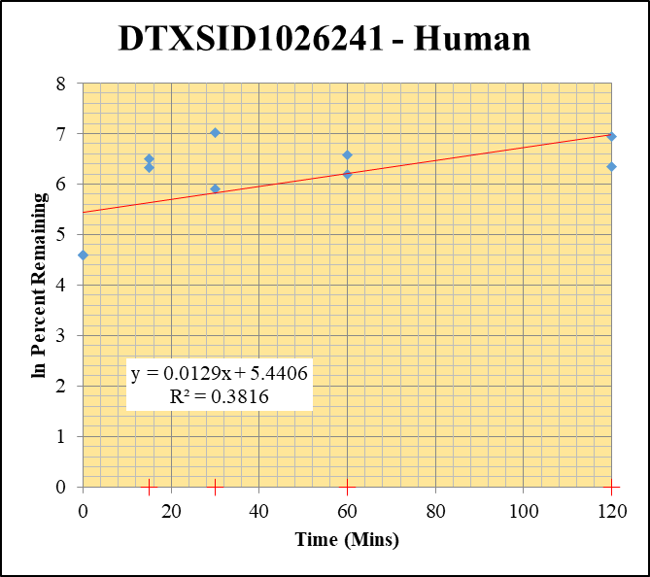
SampleName | CompoundName | Transition | Area | ISTD Area | ISTDResponseRatio | % Remaining | Time (mins) | ln % Remaining | Chart | Table
Blank_Human___1_____5P1_Inj 2020Aug14_EPA_003 | DTXSID1026241 | 262.9 / 139.0 | 0 | 1782000 | 0 |  |  |  | DTXSID1026241 - Human | Time (Mins) | % Remaining Replica 1 | % Remaining Replica 2 | % Remaining Replica 3 | Average
Blank_Human___2_____5P1_Inj 2020Aug14_EPA_004 | DTXSID1026241 | 262.9 / 139.0 | 649 | 1767000 | 0.0003672 |  |  |  | Time (Mins) | 120 | 570% | -2618.14% | 1034% | 802%
Blank_Human___3_____5P1_Inj 2020Aug14_EPA_005 | DTXSID1026241 | 262.9 / 139.0 | 0 | 1796000 | 0 |  |  |  | ln Percent Remaining | 60 | 491% | -4270.10% | 715% | 603%
DTXSID1026241__Human__120_1_____5P2_Inj 2020Aug14_EPA_390 | DTXSID1026241 | 262.9 / 139.0 | 8474 | 1167000 | 0.007263 | 570.06227048 | 120 | 6.3457456013 |  | 30 | 367% | -3132.84% | 1127% | 747%
DTXSID1026241__Human__120_2_____5P2_Inj 2020Aug14_EPA_391 | DTXSID1026241 | 262.9 / 139.0 | 4234 | 1272000 | 0.003327 | -2618.1372549 | 120 |  |  | 15 | 565% | -1532.35% | 669% | 617%
DTXSID1026241__Human__120_3_____5P2_Inj 2020Aug14_EPA_392 | DTXSID1026241 | 262.9 / 139.0 | 7006 | 1186000 | 0.005907 | 1033.7026447 | 120 | 6.9409024361 |  | 0 | 100% | 100% | 100% | 100%
DTXSID1026241__Human__60_1_____5P3_Inj 2020Aug14_EPA_393 | DTXSID1026241 | 262.9 / 139.0 | 6244 | 996100 | 0.006268 | 490.62749481 | 60 | 6.1956851735
DTXSID1026241__Human__60_2_____5P3_Inj 2020Aug14_EPA_394 | DTXSID1026241 | 262.9 / 139.0 | 5366 | 1003000 | 0.005349 | -4270.0980392 | 60 |  |  | Slope | 0.0129
DTXSID1026241__Human__60_3_____5P3_Inj 2020Aug14_EPA_395 | DTXSID1026241 | 262.9 / 139.0 | 4479 | 1087000 | 0.004121 | 714.54610436 | 60 | 6.571647522 |  | Intercept | 5.44
DTXSID1026241__Human__30_1_____5P4_Inj 2020Aug14_EPA_396 | DTXSID1026241 | 262.9 / 139.0 | 5188 | 1100000 | 0.004715 | 366.64537761 | 30 | 5.9043951074 |  | R2 | 0.382
DTXSID1026241__Human__30_2_____5P4_Inj 2020Aug14_EPA_397 | DTXSID1026241 | 262.9 / 139.0 | 4433 | 1120000 | 0.003957 | -3132.8431373 | 30 |  |  | T½ (mins) | >480
DTXSID1026241__Human__30_3_____5P4_Inj 2020Aug14_EPA_398 | DTXSID1026241 | 262.9 / 139.0 | 7872 | 1224000 | 0.00643 | 1127.1622588 | 30 | 7.0274584777 |  | CLint (µl/min/106 cells) | 0.0
DTXSID1026241__Human__15_1_____5P5_Inj 2020Aug14_EPA_399 | DTXSID1026241 | 262.9 / 139.0 | 9051 | 1257000 | 0.007198 | 564.87306403 | 15 | 6.3366010405 |  | Comments | Points Deleted: (120,) (60,) (30,) (15,)
DTXSID1026241__Human__15_2_____5P5_Inj 2020Aug14_EPA_400 | DTXSID1026241 | 262.9 / 139.0 | 2483 | 1243000 | 0.001998 | -1532.3529412 | 15
DTXSID1026241__Human__15_3_____5P5_Inj 2020Aug14_EPA_401 | DTXSID1026241 | 262.9 / 139.0 | 5079 | 1313000 | 0.003867 | 669.15654039 | 15 | 6.5060180244
DTXSID1026241__Human__0_1_____5P6_Inj 2020Aug14_EPA_402 | DTXSID1026241 | 262.9 / 139.0 | 1727 | 1256000 | 0.001375 | 100 | 0 | 4.605170186
DTXSID1026241__Human__0_2_____5P6_Inj 2020Aug14_EPA_403 | DTXSID1026241 | 262.9 / 139.0 | 0 | 1257000 | 0 | 100 | 0 | 4.605170186
DTXSID1026241__Human__0_3_____5P6_Inj 2020Aug14_EPA_404 | DTXSID1026241 | 262.9 / 139.0 | 873.8 | 1281000 | 0.000682 | 100 | 0 | 4.605170186

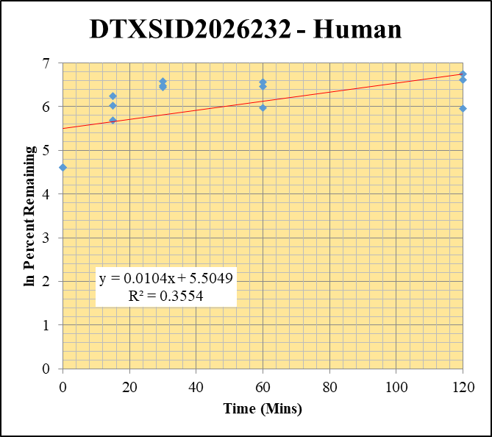
Blank_Human___1_____5P1_Inj 2020Aug14_EPA_003 | DTXSID2026232 | 195.0 / 125.1 | 43.34 | 1782000 | 0.00002432 |  |  |  | DTXSID2026232 - Human | Time (Mins) | % Remaining Replica 1 | % Remaining Replica 2 | % Remaining Replica 3 | Average
Blank_Human___2_____5P1_Inj 2020Aug14_EPA_004 | DTXSID2026232 | 195.0 / 125.1 | 67.65 | 1767000 | 0.00003828 |  |  |  | Time (Mins) | 120 | 387% | 850% | 745% | 661%
Blank_Human___3_____5P1_Inj 2020Aug14_EPA_005 | DTXSID2026232 | 195.0 / 125.1 | 497.1 | 1796000 | 0.0002768 |  |  |  | ln Percent Remaining | 60 | 392% | 710% | 641% | 581%
DTXSID2026232__Human__120_1_____5P2_Inj 2020Aug14_EPA_326 | DTXSID2026232 | 195.0 / 125.1 | 1150 | 1122000 | 0.001025 | 387.09494835 | 120 | 5.9586700075 |  | 30 | 632% | 656% | 717% | 668%
DTXSID2026232__Human__120_2_____5P2_Inj 2020Aug14_EPA_327 | DTXSID2026232 | 195.0 / 125.1 | 1922 | 1184000 | 0.001623 | 849.83114447 | 120 | 6.7450376762 |  | 15 | 294% | 514% | 414% | 408%
DTXSID2026232__Human__120_3_____5P2_Inj 2020Aug14_EPA_328 | DTXSID2026232 | 195.0 / 125.1 | 2264 | 1181000 | 0.001918 | 745.29938059 | 120 | 6.6137859908 |  | 0 | 100% | 100% | 100% | 100%
DTXSID2026232__Human__60_1_____5P3_Inj 2020Aug14_EPA_329 | DTXSID2026232 | 195.0 / 125.1 | 1010 | 973700 | 0.001037 | 392.18904769 | 60 | 5.971743988
DTXSID2026232__Human__60_2_____5P3_Inj 2020Aug14_EPA_330 | DTXSID2026232 | 195.0 / 125.1 | 1302 | 946400 | 0.001375 | 710.24390244 | 60 | 6.5656084356 |  | Slope | 0.0104
DTXSID2026232__Human__60_3_____5P3_Inj 2020Aug14_EPA_331 | DTXSID2026232 | 195.0 / 125.1 | 1594 | 957300 | 0.001665 | 640.82587749 | 60 | 6.462757778 |  | Intercept | 5.50
DTXSID2026232__Human__30_1_____5P4_Inj 2020Aug14_EPA_332 | DTXSID2026232 | 195.0 / 125.1 | 1656 | 1034000 | 0.001601 | 631.61171643 | 30 | 6.4482748326 |  | R2 | 0.355
DTXSID2026232__Human__30_2_____5P4_Inj 2020Aug14_EPA_333 | DTXSID2026232 | 195.0 / 125.1 | 1514 | 1185000 | 0.001278 | 655.64727955 | 30 | 6.4856229607 |  | T½ (mins) | >480
DTXSID2026232__Human__30_3_____5P4_Inj 2020Aug14_EPA_334 | DTXSID2026232 | 195.0 / 125.1 | 2055 | 1112000 | 0.001849 | 716.80660702 | 30 | 6.574806079 |  | CLint (µl/min/106 cells) | 0.0
DTXSID2026232__Human__15_1_____5P5_Inj 2020Aug14_EPA_335 | DTXSID2026232 | 195.0 / 125.1 | 1015 | 1258000 | 0.0008065 | 294.33988963 | 15 | 5.6847351868 |  | Comments
DTXSID2026232__Human__15_2_____5P5_Inj 2020Aug14_EPA_336 | DTXSID2026232 | 195.0 / 125.1 | 1196 | 1165000 | 0.001027 | 514.37148218 | 15 | 6.2429457324
DTXSID2026232__Human__15_3_____5P5_Inj 2020Aug14_EPA_337 | DTXSID2026232 | 195.0 / 125.1 | 1365 | 1223000 | 0.001116 | 414.12250516 | 15 | 6.0261618362
DTXSID2026232__Human__0_1_____5P6_Inj 2020Aug14_EPA_338 | DTXSID2026232 | 195.0 / 125.1 | 410.4 | 1177000 | 0.0003487 | 100 | 0 | 4.605170186
DTXSID2026232__Human__0_2_____5P6_Inj 2020Aug14_EPA_339 | DTXSID2026232 | 195.0 / 125.1 | 369.7 | 1271000 | 0.0002908 | 100 | 0 | 4.605170186
DTXSID2026232__Human__0_3_____5P6_Inj 2020Aug14_EPA_340 | DTXSID2026232 | 195.0 / 125.1 | 464 | 1306000 | 0.0003553 | 100 | 0 | 4.605170186

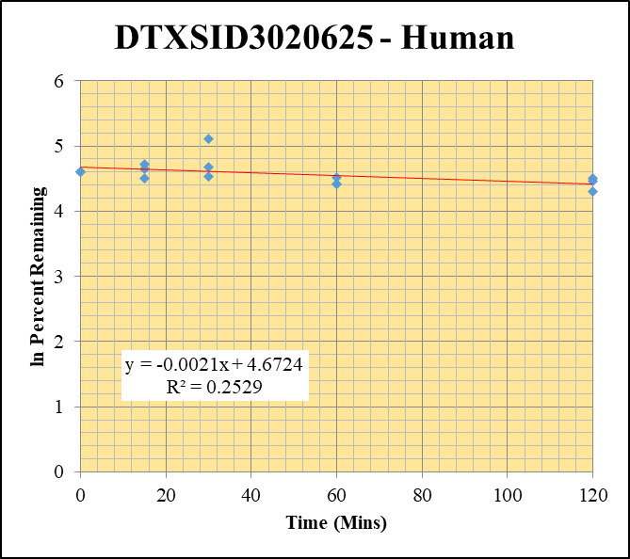
Blank_Human___1_____5P1_Inj 2020Aug14_EPA_003 | DTXSID3020625 | 373.2 / 317.2 | 0 | 1782000 | 0 |  |  |  | DTXSID3020625 - Human | Time (Mins) | % Remaining Replica 1 | % Remaining Replica 2 | % Remaining Replica 3 | Average
Blank_Human___2_____5P1_Inj 2020Aug14_EPA_004 | DTXSID3020625 | 373.2 / 317.2 | 0 | 1767000 | 0 |  |  |  | Time (Mins) | 120 | 86.4% | 90.5% | 74.1% | 83.7%
Blank_Human___3_____5P1_Inj 2020Aug14_EPA_005 | DTXSID3020625 | 373.2 / 317.2 | 0 | 1796000 | 0 |  |  |  | ln Percent Remaining | 60 | 91.7% | 83.4% | 82.5% | 85.8%
DTXSID3020625__Human__120_1_____5P2_Inj 2020Aug14_EPA_230 | DTXSID3020625 | 373.2 / 317.2 | 3316000 | 1553000 | 2.136 | 86.442735735 | 120 | 4.4594821801 |  | 30 | 166% | 93.4% | 108% | 123%
DTXSID3020625__Human__120_2_____5P2_Inj 2020Aug14_EPA_231 | DTXSID3020625 | 373.2 / 317.2 | 3636000 | 1667000 | 2.182 | 90.539419087 | 120 | 4.5057853259 |  | 15 | 112% | 90.4% | 105% | 102%
DTXSID3020625__Human__120_3_____5P2_Inj 2020Aug14_EPA_232 | DTXSID3020625 | 373.2 / 317.2 | 2010000 | 1258000 | 1.598 | 74.084376449 | 120 | 4.3052046659 |  | 0 | 100% | 100% | 100% | 100%
DTXSID3020625__Human__60_1_____5P3_Inj 2020Aug14_EPA_233 | DTXSID3020625 | 373.2 / 317.2 | 2621000 | 1157000 | 2.266 | 91.703763658 | 60 | 4.5185634216
DTXSID3020625__Human__60_2_____5P3_Inj 2020Aug14_EPA_234 | DTXSID3020625 | 373.2 / 317.2 | 2143000 | 1067000 | 2.009 | 83.360995851 | 60 | 4.4231805243 |  | Slope | -0.00213
DTXSID3020625__Human__60_3_____5P3_Inj 2020Aug14_EPA_235 | DTXSID3020625 | 373.2 / 317.2 | 1861000 | 1046000 | 1.779 | 82.47566064 | 60 | 4.4125032273 |  | Intercept | 4.67
DTXSID3020625__Human__30_1_____5P4_Inj 2020Aug14_EPA_236 | DTXSID3020625 | 373.2 / 317.2 | 8455000 | 2055000 | 4.113 | 166.45082962 | 30 | 5.1146999482 |  | R2 | 0.253
DTXSID3020625__Human__30_2_____5P4_Inj 2020Aug14_EPA_237 | DTXSID3020625 | 373.2 / 317.2 | 2758000 | 1225000 | 2.251 | 93.402489627 | 30 | 4.5369180004 |  | T½ (mins) | 326
DTXSID3020625__Human__30_3_____5P4_Inj 2020Aug14_EPA_238 | DTXSID3020625 | 373.2 / 317.2 | 4451000 | 1909000 | 2.332 | 108.11312007 | 30 | 4.6831780871 |  | CLint (µl/min/106 cells) | 4.25
DTXSID3020625__Human__15_1_____5P5_Inj 2020Aug14_EPA_239 | DTXSID3020625 | 373.2 / 317.2 | 3807000 | 1374000 | 2.772 | 112.18130312 | 15 | 4.7201163403 |  | Comments
DTXSID3020625__Human__15_2_____5P5_Inj 2020Aug14_EPA_240 | DTXSID3020625 | 373.2 / 317.2 | 2762000 | 1268000 | 2.179 | 90.414937759 | 15 | 4.5044094944
DTXSID3020625__Human__15_3_____5P5_Inj 2020Aug14_EPA_241 | DTXSID3020625 | 373.2 / 317.2 | 2891000 | 1280000 | 2.259 | 104.72878999 | 15 | 4.6513740561
DTXSID3020625__Human__0_1_____5P6_Inj 2020Aug14_EPA_242 | DTXSID3020625 | 373.2 / 317.2 | 3426000 | 1387000 | 2.471 | 100 | 0 | 4.605170186
DTXSID3020625__Human__0_2_____5P6_Inj 2020Aug14_EPA_243 | DTXSID3020625 | 373.2 / 317.2 | 3016000 | 1252000 | 2.41 | 100 | 0 | 4.605170186
DTXSID3020625__Human__0_3_____5P6_Inj 2020Aug14_EPA_244 | DTXSID3020625 | 373.2 / 317.2 | 2631000 | 1220000 | 2.157 | 100 | 0 | 4.605170186

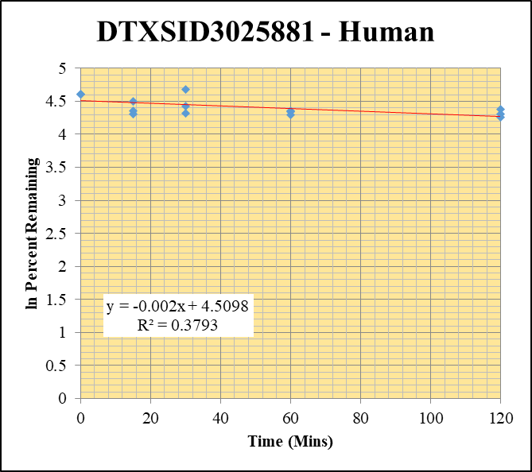
Blank_Human___1_____5P1_Inj 2020Aug14_EPA_003 | DTXSID3025881 | 109.1 / 91.9 | 202.2 | 1782000 | 0.0001134 |  |  |  | DTXSID3025881 - Human | Time (Mins) | % Remaining Replica 1 | % Remaining Replica 2 | % Remaining Replica 3 | Average
Blank_Human___2_____5P1_Inj 2020Aug14_EPA_004 | DTXSID3025881 | 109.1 / 91.9 | 996.7 | 1767000 | 0.0005639 |  |  |  | Time (Mins) | 120 | 74.2% | 79.3% | 70.8% | 74.8%
Blank_Human___3_____5P1_Inj 2020Aug14_EPA_005 | DTXSID3025881 | 109.1 / 91.9 | 125.9 | 1796000 | 0.00007013 |  |  |  | ln Percent Remaining | 60 | 77.6% | 73.2% | 76.8% | 75.9%
DTXSID3025881__Human__120_1_____5P2_Inj 2020Aug14_EPA_454 | DTXSID3025881 | 109.1 / 91.9 | 25920 | 1300000 | 0.01994 | 74.162792236 | 120 | 4.3062625721 |  | 30 | 74.9% | 84.0% | 108% | 88.8%
DTXSID3025881__Human__120_2_____5P2_Inj 2020Aug14_EPA_455 | DTXSID3025881 | 109.1 / 91.9 | 26670 | 1237000 | 0.02156 | 79.337963532 | 120 | 4.3737167472 |  | 15 | 89.9% | 74.1% | 78.2% | 80.7%
DTXSID3025881__Human__120_3_____5P2_Inj 2020Aug14_EPA_456 | DTXSID3025881 | 109.1 / 91.9 | 26670 | 1326000 | 0.02012 | 70.813435608 | 120 | 4.2600487512 |  | 0 | 100% | 100% | 100% | 100%
DTXSID3025881__Human__60_1_____5P3_Inj 2020Aug14_EPA_457 | DTXSID3025881 | 109.1 / 91.9 | 23280 | 1117000 | 0.02085 | 77.59017694 | 60 | 4.3514408333
DTXSID3025881__Human__60_2_____5P3_Inj 2020Aug14_EPA_458 | DTXSID3025881 | 109.1 / 91.9 | 22250 | 1117000 | 0.01992 | 73.232424828 | 60 | 4.293638285 |  | Slope | -0.00195
DTXSID3025881__Human__60_3_____5P3_Inj 2020Aug14_EPA_459 | DTXSID3025881 | 109.1 / 91.9 | 25860 | 1187000 | 0.02179 | 76.764786345 | 60 | 4.3407460239 |  | Intercept | 4.51
DTXSID3025881__Human__30_1_____5P4_Inj 2020Aug14_EPA_460 | DTXSID3025881 | 109.1 / 91.9 | 27540 | 1368000 | 0.02014 | 74.9160636 | 30 | 4.3163683348 |  | R2 | 0.379
DTXSID3025881__Human__30_2_____5P4_Inj 2020Aug14_EPA_461 | DTXSID3025881 | 109.1 / 91.9 | 27070 | 1187000 | 0.0228 | 83.954346455 | 30 | 4.4302731565 |  | T½ (mins) | 355
DTXSID3025881__Human__30_3_____5P4_Inj 2020Aug14_EPA_462 | DTXSID3025881 | 109.1 / 91.9 | 37650 | 1237000 | 0.03044 | 107.59064495 | 30 | 4.6783337011 |  | CLint (µl/min/106 cells) | 3.90
DTXSID3025881__Human__15_1_____5P5_Inj 2020Aug14_EPA_463 | DTXSID3025881 | 109.1 / 91.9 | 32850 | 1362000 | 0.02412 | 89.906163731 | 15 | 4.4987665012 |  | Comments
DTXSID3025881__Human__15_2_____5P5_Inj 2020Aug14_EPA_464 | DTXSID3025881 | 109.1 / 91.9 | 27790 | 1378000 | 0.02016 | 74.125918297 | 15 | 4.3057652457
DTXSID3025881__Human__15_3_____5P5_Inj 2020Aug14_EPA_465 | DTXSID3025881 | 109.1 / 91.9 | 30190 | 1361000 | 0.02218 | 78.154622744 | 15 | 4.3586892073
DTXSID3025881__Human__0_1_____5P6_Inj 2020Aug14_EPA_466 | DTXSID3025881 | 109.1 / 91.9 | 36130 | 1348000 | 0.0268 | 100 | 0 | 4.605170186
DTXSID3025881__Human__0_2_____5P6_Inj 2020Aug14_EPA_467 | DTXSID3025881 | 109.1 / 91.9 | 34940 | 1289000 | 0.02711 | 100 | 0 | 4.605170186
DTXSID3025881__Human__0_3_____5P6_Inj 2020Aug14_EPA_468 | DTXSID3025881 | 109.1 / 91.9 | 38020 | 1343000 | 0.02831 | 100 | 0 | 4.605170186

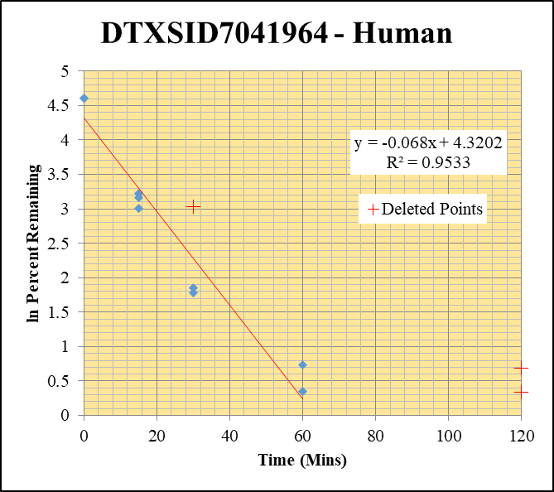
Blank_Human___1_____5P1_Inj 2020Aug14_EPA_003 | DTXSID7041964 | 293.1 / 265.0 | 136.7 | 1782000 | 0.0000767 |  |  |  | DTXSID7041964 - Human | Time (Mins) | % Remaining Replica 1 | % Remaining Replica 2 | % Remaining Replica 3 | Average
Blank_Human___2_____5P1_Inj 2020Aug14_EPA_004 | DTXSID7041964 | 293.1 / 265.0 | 327.1 | 1767000 | 0.000185 |  |  |  | Time (Mins) | 120 | 1.99% | 0.96% | 1.40%
Blank_Human___3_____5P1_Inj 2020Aug14_EPA_005 | DTXSID7041964 | 293.1 / 265.0 | 393.3 | 1796000 | 0.000219 |  |  |  | ln Percent Remaining | 60 | 2.07% | 1.42% | 6274.77% | 2%
DTXSID7041964__Human__120_1_____5P2_Inj 2020Aug14_EPA_198 | DTXSID7041964 | 293.1 / 265.0 | 1988 | 1162000 | 0.001711 | 1.9914874964 | 120 | 0.689 |  | 30 | 5.94% | 6.37% | 20.64% | 6.2%
DTXSID7041964__Human__120_2_____5P2_Inj 2020Aug14_EPA_199 | DTXSID7041964 | 293.1 / 265.0 | 720.2 | 1026000 | 0.0007022 | 0.96025674569 | 120 | -0.041 |  | 15 | 20.1% | 23.5% | 25.1% | 22.9%
DTXSID7041964__Human__120_3_____5P2_Inj 2020Aug14_EPA_200 | DTXSID7041964 | 293.1 / 265.0 | 867.6 | 999700 | 0.0008679 | 1.4043856788 | 120 | 0.340 |  | 0 | 100% | 100% | 100% | 100%
DTXSID7041964__Human__60_1_____5P3_Inj 2020Aug14_EPA_201 | DTXSID7041964 | 293.1 / 265.0 | 1768 | 995500 | 0.001776 | 2.0749602006 | 60 | 0.72994197309
DTXSID7041964__Human__60_2_____5P3_Inj 2020Aug14_EPA_202 | DTXSID7041964 | 293.1 / 265.0 | 860.8 | 895100 | 0.0009616 | 1.4198617641 | 60 | 0.35055951767 |  | Slope | -0.0680
DTXSID7041964__Human__60_3_____5P3_Inj 2020Aug14_EPA_203 | DTXSID7041964 | 293.1 / 265.0 | 6162 | 1949 | 3.162 | 6274.7656436 | 60 | 8.744 |  | Intercept | 4.32
DTXSID7041964__Human__30_1_____5P4_Inj 2020Aug14_EPA_204 | DTXSID7041964 | 293.1 / 265.0 | 5414 | 1132000 | 0.004782 | 5.9352517216 | 30 | 1.7809094402 |  | R2 | 0.953
DTXSID7041964__Human__30_2_____5P4_Inj 2020Aug14_EPA_205 | DTXSID7041964 | 293.1 / 265.0 | 3590 | 956500 | 0.003753 | 6.3656653435 | 30 | 1.8509187581 |  | T½ (mins) | 10.2
DTXSID7041964__Human__30_3_____5P4_Inj 2020Aug14_EPA_206 | DTXSID7041964 | 293.1 / 265.0 | 12590 | 1192000 | 0.01056 | 20.638648191 | 30 | 3.027 |  | CLint (µl/min/106 cells) | 135.9
DTXSID7041964__Human__15_1_____5P5_Inj 2020Aug14_EPA_207 | DTXSID7041964 | 293.1 / 265.0 | 18960 | 1198000 | 0.01583 | 20.123043047 | 15 | 3.0018655787 |  | Comments | Points Deleted: (120,0.6890) (120,-0.0410) (120,0.3400) (60,8.7440) (30,3.0270)
DTXSID7041964__Human__15_2_____5P5_Inj 2020Aug14_EPA_208 | DTXSID7041964 | 293.1 / 265.0 | 15150 | 1127000 | 0.01345 | 23.546813624 | 15 | 3.1589905087
DTXSID7041964__Human__15_3_____5P5_Inj 2020Aug14_EPA_209 | DTXSID7041964 | 293.1 / 265.0 | 14450 | 1129000 | 0.0128 | 25.083995229 | 15 | 3.2222300025
DTXSID7041964__Human__0_1_____5P6_Inj 2020Aug14_EPA_210 | DTXSID7041964 | 293.1 / 265.0 | 121600 | 1558000 | 0.07803 | 100 | 0 | 4.605170186
DTXSID7041964__Human__0_2_____5P6_Inj 2020Aug14_EPA_211 | DTXSID7041964 | 293.1 / 265.0 | 68700 | 1214000 | 0.0566 | 100 | 0 | 4.605170186
DTXSID7041964__Human__0_3_____5P6_Inj 2020Aug14_EPA_212 | DTXSID7041964 | 293.1 / 265.0 | 51250 | 1014000 | 0.05055 | 100 | 0 | 4.605170186

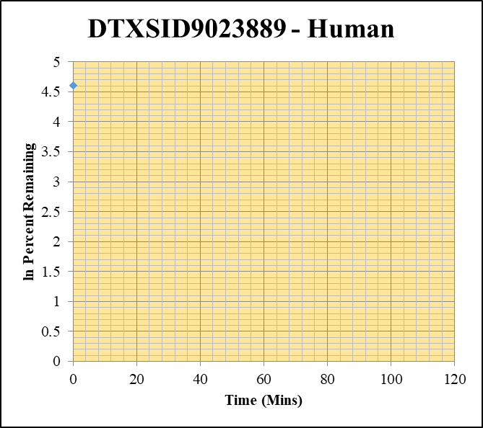
Blank_Human___1_____5P1_Inj 2020Aug14_EPA_003 | DTXSID9023889 | 373.0 / 300.0 | 0 | 1782000 | 0 |  |  |  | DTXSID9023889 - Human | Time (Mins) | % Remaining Replica 1 | % Remaining Replica 2 | % Remaining Replica 3 | Average
Blank_Human___2_____5P1_Inj 2020Aug14_EPA_004 | DTXSID9023889 | 373.0 / 300.0 | 13.46 | 1767000 | 0.000007613 |  |  |  | Time (Mins) | 120 | -0.20% | -0.22% | -0.46%
Blank_Human___3_____5P1_Inj 2020Aug14_EPA_005 | DTXSID9023889 | 373.0 / 300.0 | 0 | 1796000 | 0 |  |  |  | ln Percent Remaining | 60 | -0.20% | -0.22% | -0.46%
DTXSID9023889__Human__120_1_____5P2_Inj 2020Aug14_EPA_102 | DTXSID9023889 | 373.0 / 300.0 | 0 | 897800 | 0 | -0.20116864369 | 120 |  |  | 30 | -0.20% | -0.22% | -0.46%
DTXSID9023889__Human__120_2_____5P2_Inj 2020Aug14_EPA_103 | DTXSID9023889 | 373.0 / 300.0 | 0 | 873200 | 0 | -0.22096211543 | 120 |  |  | 15 | -0.20% | -0.22% | -0.46%
DTXSID9023889__Human__120_3_____5P2_Inj 2020Aug14_EPA_104 | DTXSID9023889 | 373.0 / 300.0 | 0 | 731000 | 0 | -0.46150945661 | 120 |  |  | 0 | 100% | 100% | 100% | 100%
DTXSID9023889__Human__60_1_____5P3_Inj 2020Aug14_EPA_105 | DTXSID9023889 | 373.0 / 300.0 | 0 | 879800 | 0 | -0.20116864369 | 60
DTXSID9023889__Human__60_2_____5P3_Inj 2020Aug14_EPA_106 | DTXSID9023889 | 373.0 / 300.0 | 0 | 837400 | 0 | -0.22096211543 | 60 |  |  | Slope
DTXSID9023889__Human__60_3_____5P3_Inj 2020Aug14_EPA_107 | DTXSID9023889 | 373.0 / 300.0 | 0 | 808600 | 0 | -0.46150945661 | 60 |  |  | Intercept
DTXSID9023889__Human__30_1_____5P4_Inj 2020Aug14_EPA_108 | DTXSID9023889 | 373.0 / 300.0 | 0 | 1262000 | 0 | -0.20116864369 | 30 |  |  | R2
DTXSID9023889__Human__30_2_____5P4_Inj 2020Aug14_EPA_109 | DTXSID9023889 | 373.0 / 300.0 | 0 | 1006000 | 0 | -0.22096211543 | 30 |  |  | T½ (mins) | >0
DTXSID9023889__Human__30_3_____5P4_Inj 2020Aug14_EPA_110 | DTXSID9023889 | 373.0 / 300.0 | 0 | 986700 | 0 | -0.46150945661 | 30 |  |  | CLint (µl/min/106 cells) | 0.0
DTXSID9023889__Human__15_1_____5P5_Inj 2020Aug14_EPA_111 | DTXSID9023889 | 373.0 / 300.0 | 0 | 1108000 | 0 | -0.20116864369 | 15 |  |  | Comments
DTXSID9023889__Human__15_2_____5P5_Inj 2020Aug14_EPA_112 | DTXSID9023889 | 373.0 / 300.0 | 0 | 1018000 | 0 | -0.22096211543 | 15
DTXSID9023889__Human__15_3_____5P5_Inj 2020Aug14_EPA_113 | DTXSID9023889 | 373.0 / 300.0 | 0 | 1076000 | 0 | -0.46150945661 | 15
DTXSID9023889__Human__0_1_____5P6_Inj 2020Aug14_EPA_114 | DTXSID9023889 | 373.0 / 300.0 | 2054 | 1625000 | 0.001264 | 100 | 0 | 4.605170186
DTXSID9023889__Human__0_2_____5P6_Inj 2020Aug14_EPA_115 | DTXSID9023889 | 373.0 / 300.0 | 1218 | 1058000 | 0.001151 | 100 | 0 | 4.605170186
DTXSID9023889__Human__0_3_____5P6_Inj 2020Aug14_EPA_116 | DTXSID9023889 | 373.0 / 300.0 | 546.5 | 989400 | 0.0005524 | 100 | 0 | 4.605170186

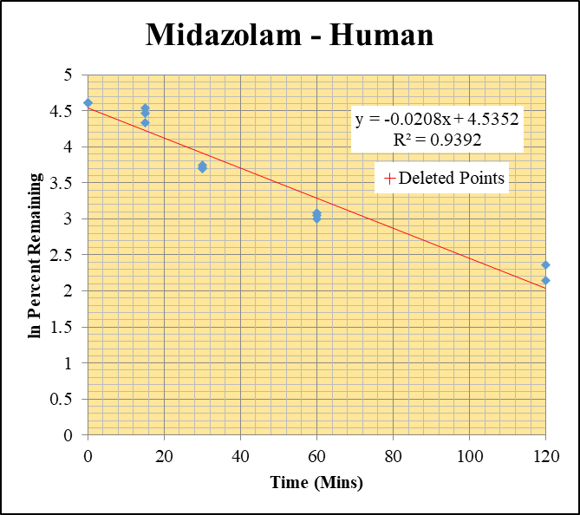
Blank_Human___1_____5P1_Inj 2020Aug14_EPA_003 | Midazolam | 326.2 / 291.0 | 174 | 1782000 | 0.00009761 |  |  |  | Midazolam - Human | Time (Mins) | % Remaining Replica 1 | % Remaining Replica 2 | % Remaining Replica 3 | Average
Blank_Human___2_____5P1_Inj 2020Aug14_EPA_004 | Midazolam | 326.2 / 291.0 | 234.1 | 1767000 | 0.0001325 |  |  |  | Time (Mins) | 120 | 10.6% | 8.50% | 8389.71% | 10%
Blank_Human___3_____5P1_Inj 2020Aug14_EPA_005 | Midazolam | 326.2 / 291.0 | 323.1 | 1796000 | 0.0001799 |  |  |  | ln Percent Remaining | 60 | 21.1% | 20.1% | 21.8% | 21.0%
Midazolam__Human__120_1_____5P2_Inj 2020Aug14_EPA_006 | Midazolam | 326.2 / 291.0 | 470600 | 957400 | 0.4915 | 10.560450526 | 120 | 2.3571159408 |  | 30 | 42.5% | 40.4% | 40.6% | 41.2%
Midazolam__Human__120_2_____5P2_Inj 2020Aug14_EPA_007 | Midazolam | 326.2 / 291.0 | 332500 | 938800 | 0.3542 | 8.4950801398 | 120 | 2.1394871888 |  | 15 | 76.7% | 93.0% | 87.0% | 85.6%
Midazolam__Human__120_3_____5P2_Inj 2020Aug14_EPA_008 | Midazolam | 326.2 / 291.0 | 373100 | 1077 | 346.4 | 8389.7149323 | 120 | 9.035 |  | 0 | 100% | 100% | 100% | 100%
Midazolam__Human__60_1_____5P3_Inj 2020Aug14_EPA_009 | Midazolam | 326.2 / 291.0 | 1029000 | 1047000 | 0.9832 | 21.128136811 | 60 | 3.0506056503
Midazolam__Human__60_2_____5P3_Inj 2020Aug14_EPA_010 | Midazolam | 326.2 / 291.0 | 789200 | 941600 | 0.8381 | 20.105345681 | 60 | 3.000985734 |  | Slope | -0.02082
Midazolam__Human__60_3_____5P3_Inj 2020Aug14_EPA_011 | Midazolam | 326.2 / 291.0 | 874900 | 972000 | 0.9 | 21.794456684 | 60 | 3.0816556569 |  | Intercept | 4.54
Midazolam__Human__30_1_____5P4_Inj 2020Aug14_EPA_012 | Midazolam | 326.2 / 291.0 | 2393000 | 1210000 | 1.978 | 42.508519802 | 30 | 3.7497045218 |  | R2 | 0.93924
Midazolam__Human__30_2_____5P4_Inj 2020Aug14_EPA_013 | Midazolam | 326.2 / 291.0 | 1811000 | 1074000 | 1.685 | 40.425109861 | 30 | 3.6994511231 |  | T½ (mins) | 33
Midazolam__Human__30_3_____5P4_Inj 2020Aug14_EPA_014 | Midazolam | 326.2 / 291.0 | 1668000 | 994700 | 1.677 | 40.613195351 | 30 | 3.7040930225 |  | CLint (µl/min/106 cells) | 41.64
Midazolam__Human__15_1_____5P5_Inj 2020Aug14_EPA_015 | Midazolam | 326.2 / 291.0 | 6621000 | 1856000 | 3.568 | 76.681025789 | 15 | 4.3396542956 |  | Comments | Points Deleted: (120,9.0350)
Midazolam__Human__15_2_____5P5_Inj 2020Aug14_EPA_016 | Midazolam | 326.2 / 291.0 | 9191000 | 2371000 | 3.877 | 93.018005223 | 15 | 4.532793079
Midazolam__Human__15_3_____5P5_Inj 2020Aug14_EPA_017 | Midazolam | 326.2 / 291.0 | 8515000 | 2370000 | 3.593 | 87.018218886 | 15 | 4.4661175092
Midazolam__Human__0_1_____5P6_Inj 2020Aug14_EPA_018 | Midazolam | 326.2 / 291.0 | 5464000 | 1174000 | 4.653 | 100 | 0 | 4.605170186
Midazolam__Human__0_2_____5P6_Inj 2020Aug14_EPA_019 | Midazolam | 326.2 / 291.0 | 4499000 | 1079000 | 4.168 | 100 | 0 | 4.605170186
Midazolam__Human__0_3_____5P6_Inj 2020Aug14_EPA_020 | Midazolam | 326.2 / 291.0 | 4629000 | 1121000 | 4.129 | 100 | 0 | 4.605170186

10uM Data

SampleName | CompoundName | Transition | Area | ISTD Area | ISTDResponseRatio | % Remaining | Time (mins) | ln % Remaining | Chart | Table
Blank_Human___1_____5P1_Inj 2020Aug14_EPA_003 | DTXSID1026241 | 262.9 / 139.0 | 1838 | 1782000 | 0.001031 |  |  |  | DTXSID1026241 - Human | Time (Mins) | % Remaining Replica 1 | % Remaining Replica 2 | % Remaining Replica 3 | Average
Blank_Human___2_____5P1_Inj 2020Aug14_EPA_004 | DTXSID1026241 | 262.9 / 139.0 | 649 | 1767000 | 0.0003672 |  |  |  | Time (Mins) | 120 | 1515% | 2059% | 1190% | 1588%
Blank_Human___3_____5P1_Inj 2020Aug14_EPA_005 | DTXSID1026241 | 262.9 / 139.0 | 1724 | 1796000 | 0.0009601 |  |  |  | ln Percent Remaining | 60 | 1404% | 1621% | 923% | 1316%
DTXSID1026241__Human__120_1_____5P2_Inj 2020Aug14_EPA_406 | DTXSID1026241 | 262.9 / 139.0 | 37540 | 1310000 | 0.02866 | 1514.9682048 | 120 | 7.3231497308 |  | 30 | 1120% | 1278% | 754% | 1051%
DTXSID1026241__Human__120_2_____5P2_Inj 2020Aug14_EPA_407 | DTXSID1026241 | 262.9 / 139.0 | 55300 | 1277000 | 0.04329 | 2059.3972576 | 120 | 7.6301686256 |  | 15 | 848% | 933% | 638% | 806%
DTXSID1026241__Human__120_3_____5P2_Inj 2020Aug14_EPA_408 | DTXSID1026241 | 262.9 / 139.0 | 57900 | 1535000 | 0.03772 | 1189.919134 | 120 | 7.0816406292 |  | 0 | 100% | 100% | 100% | 100%
DTXSID1026241__Human__60_1_____5P3_Inj 2020Aug14_EPA_409 | DTXSID1026241 | 262.9 / 139.0 | 29690 | 1116000 | 0.02661 | 1403.5491059 | 60 | 7.2467593834
DTXSID1026241__Human__60_2_____5P3_Inj 2020Aug14_EPA_410 | DTXSID1026241 | 262.9 / 139.0 | 41260 | 1205000 | 0.03424 | 1620.9070207 | 60 | 7.3907411609 |  | Slope | 0.0163
DTXSID1026241__Human__60_3_____5P3_Inj 2020Aug14_EPA_411 | DTXSID1026241 | 262.9 / 139.0 | 35800 | 1216000 | 0.02944 | 923.15796256 | 60 | 6.8278003602 |  | Intercept | 5.81
DTXSID1026241__Human__30_1_____5P4_Inj 2020Aug14_EPA_412 | DTXSID1026241 | 262.9 / 139.0 | 25410 | 1187000 | 0.0214 | 1120.3815425 | 30 | 7.0214245692 |  | R2 | 0.465
DTXSID1026241__Human__30_2_____5P4_Inj 2020Aug14_EPA_413 | DTXSID1026241 | 262.9 / 139.0 | 34150 | 1257000 | 0.02717 | 1278.3516643 | 30 | 7.1533267648 |  | T½ (mins) | >480
DTXSID1026241__Human__30_3_____5P4_Inj 2020Aug14_EPA_414 | DTXSID1026241 | 262.9 / 139.0 | 28510 | 1179000 | 0.0242 | 754.33809079 | 30 | 6.6258406638 |  | CLint (µl/min/106 cells) | 0.0
DTXSID1026241__Human__15_1_____5P5_Inj 2020Aug14_EPA_415 | DTXSID1026241 | 262.9 / 139.0 | 20650 | 1261000 | 0.01638 | 847.54062721 | 15 | 6.7423387758 |  | Comments
DTXSID1026241__Human__15_2_____5P5_Inj 2020Aug14_EPA_416 | DTXSID1026241 | 262.9 / 139.0 | 25690 | 1281000 | 0.02005 | 933.37370997 | 15 | 6.8388056672
DTXSID1026241__Human__15_3_____5P5_Inj 2020Aug14_EPA_417 | DTXSID1026241 | 262.9 / 139.0 | 43550 | 2115000 | 0.0206 | 638.35497278 | 15 | 6.4588945123
DTXSID1026241__Human__0_1_____5P6_Inj 2020Aug14_EPA_418 | DTXSID1026241 | 262.9 / 139.0 | 3319 | 1264000 | 0.002626 | 100 | 0 | 4.605170186
DTXSID1026241__Human__0_2_____5P6_Inj 2020Aug14_EPA_419 | DTXSID1026241 | 262.9 / 139.0 | 3654 | 1282000 | 0.00285 | 100 | 0 | 4.605170186
DTXSID1026241__Human__0_3_____5P6_Inj 2020Aug14_EPA_420 | DTXSID1026241 | 262.9 / 139.0 | 4678 | 1203000 | 0.00389 | 100 | 0 | 4.605170186


Blank_Human___1_____5P1_Inj 2020Aug14_EPA_003 | DTXSID2026232 | 195.0 / 125.1 | 43.34 | 1782000 | 0.00002432 |  |  |  | DTXSID2026232 - Human | Time (Mins) | % Remaining Replica 1 | % Remaining Replica 2 | % Remaining Replica 3 | Average
Blank_Human___2_____5P1_Inj 2020Aug14_EPA_004 | DTXSID2026232 | 195.0 / 125.1 | 67.65 | 1767000 | 0.00003828 |  |  |  | Time (Mins) | 120 | 4025% | 4394% | 3831% | 4083%
Blank_Human___3_____5P1_Inj 2020Aug14_EPA_005 | DTXSID2026232 | 195.0 / 125.1 | 313 | 1796000 | 0.0001743 |  |  |  | ln Percent Remaining | 60 | 2656% | 4183% | 3383% | 3408%
DTXSID2026232__Human__120_1_____5P2_Inj 2020Aug14_EPA_342 | DTXSID2026232 | 195.0 / 125.1 | 70010 | 1226000 | 0.05712 | 4025.3840183 | 120 | 8.3003755936 |  | 30 | 2556% | 2820% | 2236% | 2538%
DTXSID2026232__Human__120_2_____5P2_Inj 2020Aug14_EPA_343 | DTXSID2026232 | 195.0 / 125.1 | 59650 | 1268000 | 0.04705 | 4393.7856631 | 120 | 8.3879464723 |  | 15 | 969% | 1329% | 1065% | 1121%
DTXSID2026232__Human__120_3_____5P2_Inj 2020Aug14_EPA_344 | DTXSID2026232 | 195.0 / 125.1 | 63500 | 1385000 | 0.04586 | 3830.9419542 | 120 | 8.250865993 |  | 0 | 100% | 100% | 100% | 100%
DTXSID2026232__Human__60_1_____5P3_Inj 2020Aug14_EPA_345 | DTXSID2026232 | 195.0 / 125.1 | 46130 | 1223000 | 0.03772 | 2656.3265978 | 60 | 7.8846994691
DTXSID2026232__Human__60_2_____5P3_Inj 2020Aug14_EPA_346 | DTXSID2026232 | 195.0 / 125.1 | 47330 | 1056000 | 0.0448 | 4183.3151445 | 60 | 8.338859308 |  | Slope | 0.0233
DTXSID2026232__Human__60_3_____5P3_Inj 2020Aug14_EPA_347 | DTXSID2026232 | 195.0 / 125.1 | 61950 | 1529000 | 0.04051 | 3383.2556972 | 60 | 8.1265937489 |  | Intercept | 6.13
DTXSID2026232__Human__30_1_____5P4_Inj 2020Aug14_EPA_348 | DTXSID2026232 | 195.0 / 125.1 | 39340 | 1084000 | 0.0363 | 2556.1172402 | 30 | 7.8462446831 |  | R2 | 0.527
DTXSID2026232__Human__30_2_____5P4_Inj 2020Aug14_EPA_349 | DTXSID2026232 | 195.0 / 125.1 | 35840 | 1186000 | 0.03023 | 2820.4016089 | 30 | 7.9446345683 |  | T½ (mins) | >480
DTXSID2026232__Human__30_3_____5P4_Inj 2020Aug14_EPA_350 | DTXSID2026232 | 195.0 / 125.1 | 39280 | 1466000 | 0.0268 | 2236.0073638 | 30 | 7.7124471276 |  | CLint (µl/min/106 cells) | 0.0
DTXSID2026232__Human__15_1_____5P5_Inj 2020Aug14_EPA_351 | DTXSID2026232 | 195.0 / 125.1 | 17400 | 1260000 | 0.01381 | 968.99861212 | 15 | 6.8762631796 |  | Comments
DTXSID2026232__Human__15_2_____5P5_Inj 2020Aug14_EPA_352 | DTXSID2026232 | 195.0 / 125.1 | 18690 | 1308000 | 0.01429 | 1329.3349132 | 15 | 7.1924340308
DTXSID2026232__Human__15_3_____5P5_Inj 2020Aug14_EPA_353 | DTXSID2026232 | 195.0 / 125.1 | 25340 | 1978000 | 0.01281 | 1065.3287217 | 15 | 6.9710386893
DTXSID2026232__Human__0_1_____5P6_Inj 2020Aug14_EPA_354 | DTXSID2026232 | 195.0 / 125.1 | 1867 | 1248000 | 0.001496 | 100 | 0 | 4.605170186
DTXSID2026232__Human__0_2_____5P6_Inj 2020Aug14_EPA_355 | DTXSID2026232 | 195.0 / 125.1 | 1492 | 1300000 | 0.001148 | 100 | 0 | 4.605170186
DTXSID2026232__Human__0_3_____5P6_Inj 2020Aug14_EPA_356 | DTXSID2026232 | 195.0 / 125.1 | 1620 | 1272000 | 0.001274 | 100 | 0 | 4.605170186

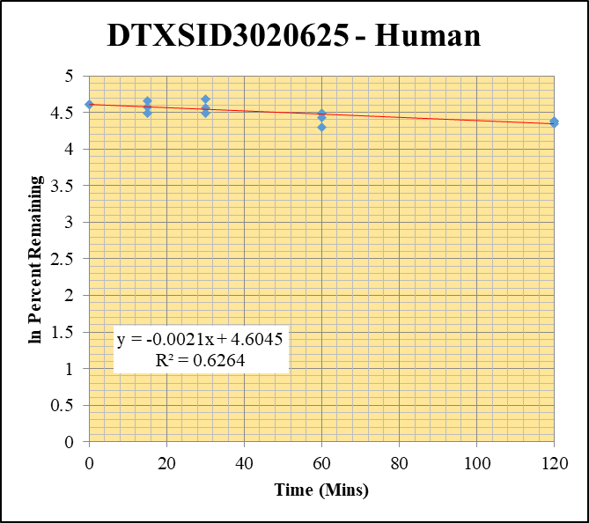
Blank_Human___1_____5P1_Inj 2020Aug14_EPA_003 | DTXSID3020625 | 373.2 / 317.2 | 69.91 | 1782000 | 0.00003923 |  |  |  | DTXSID3020625 - Human | Time (Mins) | % Remaining Replica 1 | % Remaining Replica 2 | % Remaining Replica 3 | Average
Blank_Human___2_____5P1_Inj 2020Aug14_EPA_004 | DTXSID3020625 | 373.2 / 317.2 | 24.02 | 1767000 | 0.00001359 |  |  |  | Time (Mins) | 120 | 80.3% | 79.6% | 77.6% | 79.1%
Blank_Human___3_____5P1_Inj 2020Aug14_EPA_005 | DTXSID3020625 | 373.2 / 317.2 | 227.8 | 1796000 | 0.0001268 |  |  |  | ln Percent Remaining | 60 | 89.0% | 73.2% | 84.2% | 82.1%
DTXSID3020625__Human__120_1_____5P2_Inj 2020Aug14_EPA_246 | DTXSID3020625 | 373.2 / 317.2 | 25270000 | 1312000 | 19.27 | 80.258176509 | 120 | 4.3852486448 |  | 30 | 108% | 96.3% | 89.3% | 97.8%
DTXSID3020625__Human__120_2_____5P2_Inj 2020Aug14_EPA_247 | DTXSID3020625 | 373.2 / 317.2 | 27380000 | 1299000 | 21.09 | 79.584859535 | 120 | 4.3768238679 |  | 15 | 106% | 97.2% | 89.5% | 97.5%
DTXSID3020625__Human__120_3_____5P2_Inj 2020Aug14_EPA_248 | DTXSID3020625 | 373.2 / 317.2 | 24300000 | 1270000 | 19.13 | 77.574965829 | 120 | 4.3512447698 |  | 0 | 100% | 100% | 100% | 100%
DTXSID3020625__Human__60_1_____5P3_Inj 2020Aug14_EPA_249 | DTXSID3020625 | 373.2 / 317.2 | 30960000 | 1448000 | 21.38 | 89.046203422 | 60 | 4.4891553746
DTXSID3020625__Human__60_2_____5P3_Inj 2020Aug14_EPA_250 | DTXSID3020625 | 373.2 / 317.2 | 22290000 | 1150000 | 19.39 | 73.169750701 | 60 | 4.2927820938 |  | Slope | -0.00215
DTXSID3020625__Human__60_3_____5P3_Inj 2020Aug14_EPA_251 | DTXSID3020625 | 373.2 / 317.2 | 32460000 | 1563000 | 20.77 | 84.225428042 | 60 | 4.4334968714 |  | Intercept | 4.60
DTXSID3020625__Human__30_1_____5P4_Inj 2020Aug14_EPA_252 | DTXSID3020625 | 373.2 / 317.2 | 57400000 | 2220000 | 25.85 | 107.66349266 | 30 | 4.6790105542 |  | R2 | 0.626
DTXSID3020625__Human__30_2_____5P4_Inj 2020Aug14_EPA_253 | DTXSID3020625 | 373.2 / 317.2 | 55540000 | 2175000 | 25.53 | 96.339614371 | 30 | 4.5678795984 |  | T½ (mins) | 322
DTXSID3020625__Human__30_3_____5P4_Inj 2020Aug14_EPA_254 | DTXSID3020625 | 373.2 / 317.2 | 39960000 | 1814000 | 22.03 | 89.334929499 | 30 | 4.4923925592 |  | CLint (µl/min/106 cells) | 4.30
DTXSID3020625__Human__15_1_____5P5_Inj 2020Aug14_EPA_255 | DTXSID3020625 | 373.2 / 317.2 | 42230000 | 1661000 | 25.42 | 105.87256775 | 15 | 4.6622361798 |  | Comments
DTXSID3020625__Human__15_2_____5P5_Inj 2020Aug14_EPA_256 | DTXSID3020625 | 373.2 / 317.2 | 49500000 | 1922000 | 25.76 | 97.207540861 | 15 | 4.5768482893
DTXSID3020625__Human__15_3_____5P5_Inj 2020Aug14_EPA_257 | DTXSID3020625 | 373.2 / 317.2 | 31830000 | 1443000 | 22.06 | 89.456584296 | 15 | 4.4937534159
DTXSID3020625__Human__0_1_____5P6_Inj 2020Aug14_EPA_258 | DTXSID3020625 | 373.2 / 317.2 | 41950000 | 1747000 | 24.01 | 100 | 0 | 4.605170186
DTXSID3020625__Human__0_2_____5P6_Inj 2020Aug14_EPA_259 | DTXSID3020625 | 373.2 / 317.2 | 51940000 | 1960000 | 26.5 | 100 | 0 | 4.605170186
DTXSID3020625__Human__0_3_____5P6_Inj 2020Aug14_EPA_260 | DTXSID3020625 | 373.2 / 317.2 | 44110000 | 1789000 | 24.66 | 100 | 0 | 4.605170186

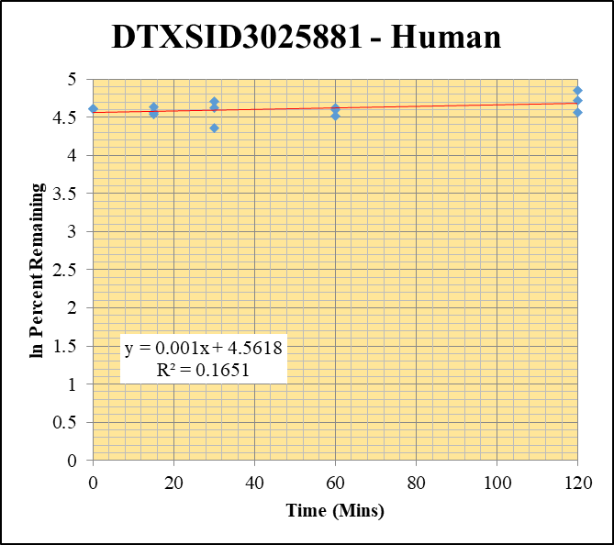
Blank_Human___1_____5P1_Inj 2020Aug14_EPA_003 | DTXSID3025881 | 109.1 / 91.9 | 2339 | 1782000 | 0.001312 |  |  |  | DTXSID3025881 - Human | Time (Mins) | % Remaining Replica 1 | % Remaining Replica 2 | % Remaining Replica 3 | Average
Blank_Human___2_____5P1_Inj 2020Aug14_EPA_004 | DTXSID3025881 | 109.1 / 91.9 | 996.7 | 1767000 | 0.0005639 |  |  |  | Time (Mins) | 120 | 128% | 113% | 95.8% | 112%
Blank_Human___3_____5P1_Inj 2020Aug14_EPA_005 | DTXSID3025881 | 109.1 / 91.9 | 2976 | 1796000 | 0.001657 |  |  |  | ln Percent Remaining | 60 | 101% | 90.9% | 99.4% | 97.2%
DTXSID3025881__Human__120_1_____5P2_Inj 2020Aug14_EPA_470 | DTXSID3025881 | 109.1 / 91.9 | 470700 | 1285000 | 0.3664 | 128.40845498 | 120 | 4.8552162379 |  | 30 | 111% | 102% | 77.9% | 96.9%
DTXSID3025881__Human__120_2_____5P2_Inj 2020Aug14_EPA_471 | DTXSID3025881 | 109.1 / 91.9 | 446700 | 1353000 | 0.3301 | 112.67460264 | 120 | 4.724504042 |  | 15 | 103% | 96.2% | 93.5% | 97.6%
DTXSID3025881__Human__120_3_____5P2_Inj 2020Aug14_EPA_472 | DTXSID3025881 | 109.1 / 91.9 | 499100 | 1650000 | 0.3026 | 95.834954398 | 120 | 4.5626274869 |  | 0 | 100% | 100% | 100% | 100%
DTXSID3025881__Human__60_1_____5P3_Inj 2020Aug14_EPA_473 | DTXSID3025881 | 109.1 / 91.9 | 320400 | 1108000 | 0.2893 | 101.30088222 | 60 | 4.6180951202
DTXSID3025881__Human__60_2_____5P3_Inj 2020Aug14_EPA_474 | DTXSID3025881 | 109.1 / 91.9 | 331800 | 1245000 | 0.2666 | 90.922244053 | 60 | 4.5100046803 |  | Slope | 0.00101
DTXSID3025881__Human__60_3_____5P3_Inj 2020Aug14_EPA_475 | DTXSID3025881 | 109.1 / 91.9 | 535400 | 1707000 | 0.3137 | 99.364115175 | 60 | 4.5987910341 |  | Intercept | 4.56
DTXSID3025881__Human__30_1_____5P4_Inj 2020Aug14_EPA_476 | DTXSID3025881 | 109.1 / 91.9 | 383300 | 1211000 | 0.3165 | 110.86412449 | 30 | 4.7083053478 |  | R2 | 0.165
DTXSID3025881__Human__30_2_____5P4_Inj 2020Aug14_EPA_477 | DTXSID3025881 | 109.1 / 91.9 | 342800 | 1149000 | 0.2984 | 101.81555119 | 30 | 4.6231628546 |  | T½ (mins) | >480
DTXSID3025881__Human__30_3_____5P4_Inj 2020Aug14_EPA_478 | DTXSID3025881 | 109.1 / 91.9 | 382300 | 1553000 | 0.2461 | 77.8712081 | 30 | 4.3550562838 |  | CLint (µl/min/106 cells) | 0.0
DTXSID3025881__Human__15_1_____5P5_Inj 2020Aug14_EPA_479 | DTXSID3025881 | 109.1 / 91.9 | 406200 | 1381000 | 0.2943 | 103.05883117 | 15 | 4.6353000016 |  | Comments
DTXSID3025881__Human__15_2_____5P5_Inj 2020Aug14_EPA_480 | DTXSID3025881 | 109.1 / 91.9 | 386100 | 1369000 | 0.282 | 96.197619207 | 15 | 4.566404609
DTXSID3025881__Human__15_3_____5P5_Inj 2020Aug14_EPA_481 | DTXSID3025881 | 109.1 / 91.9 | 421000 | 1425000 | 0.2954 | 93.545769029 | 15 | 4.5384508249
DTXSID3025881__Human__0_1_____5P6_Inj 2020Aug14_EPA_482 | DTXSID3025881 | 109.1 / 91.9 | 378300 | 1325000 | 0.2856 | 100 | 0 | 4.605170186
DTXSID3025881__Human__0_2_____5P6_Inj 2020Aug14_EPA_483 | DTXSID3025881 | 109.1 / 91.9 | 376200 | 1283000 | 0.2931 | 100 | 0 | 4.605170186
DTXSID3025881__Human__0_3_____5P6_Inj 2020Aug14_EPA_484 | DTXSID3025881 | 109.1 / 91.9 | 465300 | 1474000 | 0.3157 | 100 | 0 | 4.605170186

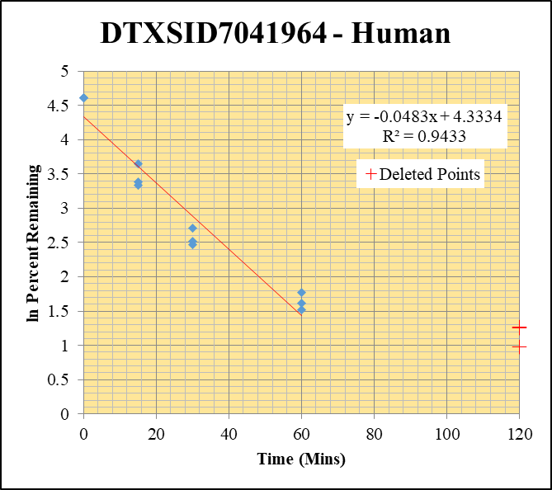
Blank_Human___1_____5P1_Inj 2020Aug14_EPA_003 | DTXSID7041964 | 293.1 / 265.0 | 362.9 | 1782000 | 0.0002036 |  |  |  | DTXSID7041964 - Human | Time (Mins) | % Remaining Replica 1 | % Remaining Replica 2 | % Remaining Replica 3 | Average
Blank_Human___2_____5P1_Inj 2020Aug14_EPA_004 | DTXSID7041964 | 293.1 / 265.0 | 327.1 | 1767000 | 0.000185 |  |  |  | Time (Mins) | 120 | 3.49% | 3.55% | 2.66%
Blank_Human___3_____5P1_Inj 2020Aug14_EPA_005 | DTXSID7041964 | 293.1 / 265.0 | 393.3 | 1796000 | 0.000219 |  |  |  | ln Percent Remaining | 60 | 5.01% | 5.86% | 4.58% | 5.15%
DTXSID7041964__Human__120_1_____5P2_Inj 2020Aug14_EPA_214 | DTXSID7041964 | 293.1 / 265.0 | 18380 | 1032000 | 0.01782 | 3.4893157185 | 120 | 1.250 |  | 30 | 11.9% | 15.0% | 12.4% | 13.1%
DTXSID7041964__Human__120_2_____5P2_Inj 2020Aug14_EPA_215 | DTXSID7041964 | 293.1 / 265.0 | 15140 | 1026000 | 0.01476 | 3.5497577649 | 120 | 1.267 |  | 15 | 29.6% | 38.5% | 28.2% | 32.1%
DTXSID7041964__Human__120_3_____5P2_Inj 2020Aug14_EPA_216 | DTXSID7041964 | 293.1 / 265.0 | 14390 | 1052000 | 0.01368 | 2.6588151555 | 120 | 0.978 |  | 0 | 100% | 100% | 100% | 100%
DTXSID7041964__Human__60_1_____5P3_Inj 2020Aug14_EPA_217 | DTXSID7041964 | 293.1 / 265.0 | 24060 | 944200 | 0.02548 | 5.0064554361 | 60 | 1.6107281669
DTXSID7041964__Human__60_2_____5P3_Inj 2020Aug14_EPA_218 | DTXSID7041964 | 293.1 / 265.0 | 21270 | 878300 | 0.02422 | 5.8565264648 | 60 | 1.7675566744 |  | Slope | -0.0483
DTXSID7041964__Human__60_3_____5P3_Inj 2020Aug14_EPA_219 | DTXSID7041964 | 293.1 / 265.0 | 22300 | 951600 | 0.02343 | 4.5822810714 | 60 | 1.5221969247 |  | Intercept | 4.33
DTXSID7041964__Human__30_1_____5P4_Inj 2020Aug14_EPA_220 | DTXSID7041964 | 293.1 / 265.0 | 63010 | 1048000 | 0.06015 | 11.873196168 | 30 | 2.4742834368 |  | R2 | 0.943
DTXSID7041964__Human__30_2_____5P4_Inj 2020Aug14_EPA_221 | DTXSID7041964 | 293.1 / 265.0 | 65260 | 1059000 | 0.06165 | 14.983625031 | 30 | 2.7069579402 |  | T½ (mins) | 14.4
DTXSID7041964__Human__30_3_____5P4_Inj 2020Aug14_EPA_222 | DTXSID7041964 | 293.1 / 265.0 | 64630 | 1026000 | 0.06302 | 12.392539083 | 30 | 2.5170946047 |  | CLint (µl/min/106 cells) | 96.6
DTXSID7041964__Human__15_1_____5P5_Inj 2020Aug14_EPA_223 | DTXSID7041964 | 293.1 / 265.0 | 149000 | 994600 | 0.1498 | 29.629276545 | 15 | 3.388762945 |  | Comments | Points Deleted: (120,1.2500) (120,1.2670) (120,0.9780)
DTXSID7041964__Human__15_2_____5P5_Inj 2020Aug14_EPA_224 | DTXSID7041964 | 293.1 / 265.0 | 188200 | 1190000 | 0.1581 | 38.502424302 | 15 | 3.6507212082
DTXSID7041964__Human__15_3_____5P5_Inj 2020Aug14_EPA_225 | DTXSID7041964 | 293.1 / 265.0 | 158200 | 1106000 | 0.1431 | 28.190605806 | 15 | 3.338988795
DTXSID7041964__Human__0_1_____5P6_Inj 2020Aug14_EPA_226 | DTXSID7041964 | 293.1 / 265.0 | 536800 | 1063000 | 0.5051 | 100 | 0 | 4.605170186
DTXSID7041964__Human__0_2_____5P6_Inj 2020Aug14_EPA_227 | DTXSID7041964 | 293.1 / 265.0 | 403200 | 982700 | 0.4103 | 100 | 0 | 4.605170186
DTXSID7041964__Human__0_3_____5P6_Inj 2020Aug14_EPA_228 | DTXSID7041964 | 293.1 / 265.0 | 559100 | 1103000 | 0.5071 | 100 | 0 | 4.605170186

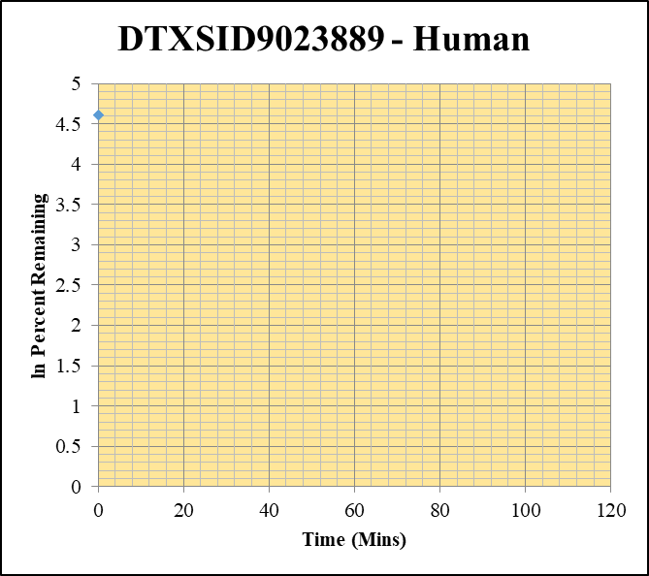
Blank_Human___1_____5P1_Inj 2020Aug14_EPA_003 | DTXSID9023889 | 373.0 / 300.0 | 71.54 | 1782000 | 0.00004014 |  |  |  | DTXSID9023889 - Human | Time (Mins) | % Remaining Replica 1 | % Remaining Replica 2 | % Remaining Replica 3 | Average
Blank_Human___2_____5P1_Inj 2020Aug14_EPA_004 | DTXSID9023889 | 373.0 / 300.0 | 124.3 | 1767000 | 0.00007031 |  |  |  | Time (Mins) | 120 | -0.29% | -0.20% | -0.10%
Blank_Human___3_____5P1_Inj 2020Aug14_EPA_005 | DTXSID9023889 | 373.0 / 300.0 | 24.37 | 1796000 | 0.00001357 |  |  |  | ln Percent Remaining | 60 | -0.29% | -0.20% | -0.10%
DTXSID9023889__Human__120_1_____5P2_Inj 2020Aug14_EPA_118 | DTXSID9023889 | 373.0 / 300.0 | 0 | 864000 | 0 | -0.28651309269 | 120 |  |  | 30 | -0.29% | -0.20% | -0.10%
DTXSID9023889__Human__120_2_____5P2_Inj 2020Aug14_EPA_119 | DTXSID9023889 | 373.0 / 300.0 | 0 | 841200 | 0 | -0.19501232625 | 120 |  |  | 15 | -0.29% | -0.20% | -0.10%
DTXSID9023889__Human__120_3_____5P2_Inj 2020Aug14_EPA_120 | DTXSID9023889 | 373.0 / 300.0 | 0 | 896700 | 0 | -0.10031871941 | 120 |  |  | 0 | 100% | 100% | 100% | 100%
DTXSID9023889__Human__60_1_____5P3_Inj 2020Aug14_EPA_121 | DTXSID9023889 | 373.0 / 300.0 | 0 | 796300 | 0 | -0.28651309269 | 60
DTXSID9023889__Human__60_2_____5P3_Inj 2020Aug14_EPA_122 | DTXSID9023889 | 373.0 / 300.0 | 0 | 841700 | 0 | -0.19501232625 | 60 |  |  | Slope
DTXSID9023889__Human__60_3_____5P3_Inj 2020Aug14_EPA_123 | DTXSID9023889 | 373.0 / 300.0 | 0 | 872600 | 0 | -0.10031871941 | 60 |  |  | Intercept
DTXSID9023889__Human__30_1_____5P4_Inj 2020Aug14_EPA_124 | DTXSID9023889 | 373.0 / 300.0 | 0 | 944600 | 0 | -0.28651309269 | 30 |  |  | R2
DTXSID9023889__Human__30_2_____5P4_Inj 2020Aug14_EPA_125 | DTXSID9023889 | 373.0 / 300.0 | 0 | 990800 | 0 | -0.19501232625 | 30 |  |  | T½ (mins) | >0
DTXSID9023889__Human__30_3_____5P4_Inj 2020Aug14_EPA_126 | DTXSID9023889 | 373.0 / 300.0 | 0 | 895400 | 0 | -0.10031871941 | 30 |  |  | CLint (µl/min/106 cells) | 0.0
DTXSID9023889__Human__15_1_____5P5_Inj 2020Aug14_EPA_127 | DTXSID9023889 | 373.0 / 300.0 | 0 | 1031000 | 0 | -0.28651309269 | 15 |  |  | Comments
DTXSID9023889__Human__15_2_____5P5_Inj 2020Aug14_EPA_128 | DTXSID9023889 | 373.0 / 300.0 | 0 | 1107000 | 0 | -0.19501232625 | 15
DTXSID9023889__Human__15_3_____5P5_Inj 2020Aug14_EPA_129 | DTXSID9023889 | 373.0 / 300.0 | 0 | 1062000 | 0 | -0.10031871941 | 15
DTXSID9023889__Human__0_1_____5P6_Inj 2020Aug14_EPA_130 | DTXSID9023889 | 373.0 / 300.0 | 15260 | 1055000 | 0.01447 | 100 | 0 | 4.605170186
DTXSID9023889__Human__0_2_____5P6_Inj 2020Aug14_EPA_131 | DTXSID9023889 | 373.0 / 300.0 | 25210 | 1187000 | 0.02124 | 100 | 0 | 4.605170186
DTXSID9023889__Human__0_3_____5P6_Inj 2020Aug14_EPA_132 | DTXSID9023889 | 373.0 / 300.0 | 43500 | 1055000 | 0.04125 | 100 | 0 | 4.605170186

1uM Data - Inactive
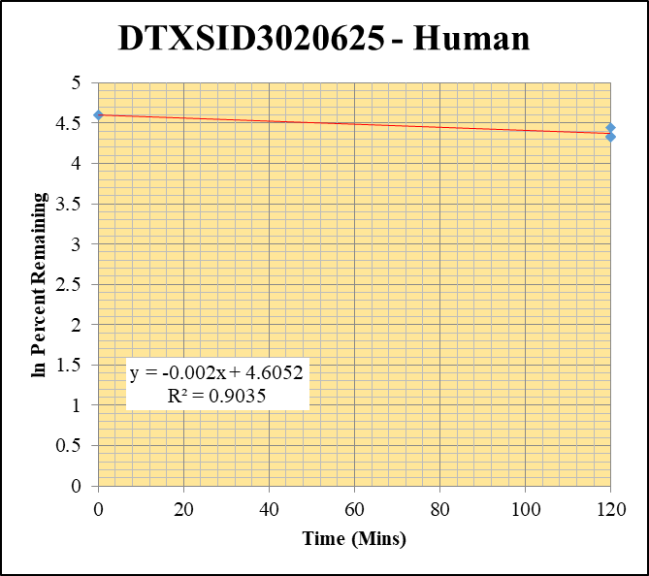
SampleName | CompoundName | Transition | Area | ISTD Area | ISTDResponseRatio | % Remaining | Time (mins) | ln % Remaining | Chart | Table
Blank_Human___1_____5P1_Inj 2020Aug14_EPA_003 | DTXSID3020625 | 373.2 / 317.2 | 237.8 | 1782000 | 0.0001334 |  |  |  | DTXSID3020625 - Human | Time (Mins) | % Remaining Replica 1 | % Remaining Replica 2 | % Remaining Replica 3 | Average
Blank_Human___2_____5P1_Inj 2020Aug14_EPA_004 | DTXSID3020625 | 373.2 / 317.2 | 133.5 | 1767000 | 0.00007553 |  |  |  | Time (Mins) | 120 | 85.3% | 75.8% | 76.3% | 79.1%
Blank_Human___3_____5P1_Inj 2020Aug14_EPA_005 | DTXSID3020625 | 373.2 / 317.2 | 227.8 | 1796000 | 0.0001268 |  |  |  | ln Percent Remaining | 0 | 100% | 100% | 100% | 100%
DTXSID3020625__Human__120_1_____XP1_Inj 104 | DTXSID3020625 | 373.2 / 317.2 | 3909000 | 1850000 | 2.113 | 85.338594201 | 120 | 4.4466268047
DTXSID3020625__Human__120_2_____XP1_Inj 105 | DTXSID3020625 | 373.2 / 317.2 | 3353000 | 1833000 | 1.829 | 75.79663962 | 120 | 4.3280539595 |  | Slope | -0.00196
DTXSID3020625__Human__120_3_____XP1_Inj 106 | DTXSID3020625 | 373.2 / 317.2 | 3101000 | 1880000 | 1.649 | 76.306038135 | 120 | 4.3347520719 |  | Intercept | 4.61
DTXSID3020625__Human__0_1_____5P6_Inj 2020Aug14_EPA_242 | DTXSID3020625 | 373.2 / 317.2 | 3434000 | 1387000 | 2.476 | 100 | 0 | 4.605170186 |  | R2 | 0.904
DTXSID3020625__Human__0_2_____5P6_Inj 2020Aug14_EPA_243 | DTXSID3020625 | 373.2 / 317.2 | 3021000 | 1252000 | 2.413 | 100 | 0 | 4.605170186 |  | T½ (mins) | 353
DTXSID3020625__Human__0_3_____5P6_Inj 2020Aug14_EPA_244 | DTXSID3020625 | 373.2 / 317.2 | 2636000 | 1220000 | 2.161 | 100 | 0 | 4.605170186 |  | CLint (µl/min/106 cells) | 3.92
 |  |  |  |  |  |  |  |  |  | Comments


Blank_Human___1_____5P1_Inj 2020Aug14_EPA_003 | DTXSID3025881 | 109.1 / 91.9 | 2339 | 1782000 | 0.001312 |  |  |  | DTXSID3025881 - Human | Time (Mins) | % Remaining Replica 1 | % Remaining Replica 2 | % Remaining Replica 3 | Average
Blank_Human___2_____5P1_Inj 2020Aug14_EPA_004 | DTXSID3025881 | 109.1 / 91.9 | 996.7 | 1767000 | 0.0005639 |  |  |  | Time (Mins) | 120 | 76.5% | 74.7% | 75.5% | 75.6%
Blank_Human___3_____5P1_Inj 2020Aug14_EPA_005 | DTXSID3025881 | 109.1 / 91.9 | 2976 | 1796000 | 0.001657 |  |  |  | ln Percent Remaining | 0 | 100% | 100% | 100% | 100%
DTXSID3025881__Human__120_1_____XP1_Inj 202 | DTXSID3025881 | 109.1 / 91.9 | 39980 | 1925000 | 0.02077 | 76.465874217 | 120 | 4.3368445526
DTXSID3025881__Human__120_2_____XP1_Inj 203 | DTXSID3025881 | 109.1 / 91.9 | 37600 | 1830000 | 0.02055 | 74.703427249 | 120 | 4.3135259713 |  | Slope | -0.00234
DTXSID3025881__Human__120_3_____XP1_Inj 204 | DTXSID3025881 | 109.1 / 91.9 | 38820 | 1793000 | 0.02166 | 75.490527304 | 120 | 4.3240071822 |  | Intercept | 4.61
DTXSID3025881__Human__0_1_____5P6_Inj 2020Aug14_EPA_466 | DTXSID3025881 | 109.1 / 91.9 | 36130 | 1348000 | 0.0268 | 100 | 0 | 4.605170186 |  | R2 | 0.998
DTXSID3025881__Human__0_2_____5P6_Inj 2020Aug14_EPA_467 | DTXSID3025881 | 109.1 / 91.9 | 34940 | 1289000 | 0.02711 | 100 | 0 | 4.605170186 |  | T½ (mins) | 297
DTXSID3025881__Human__0_3_____5P6_Inj 2020Aug14_EPA_468 | DTXSID3025881 | 109.1 / 91.9 | 38020 | 1343000 | 0.02831 | 100 | 0 | 4.605170186 |  | CLint (µl/min/106 cells) | 4.67
 |  |  |  |  |  |  |  |  |  | Comments

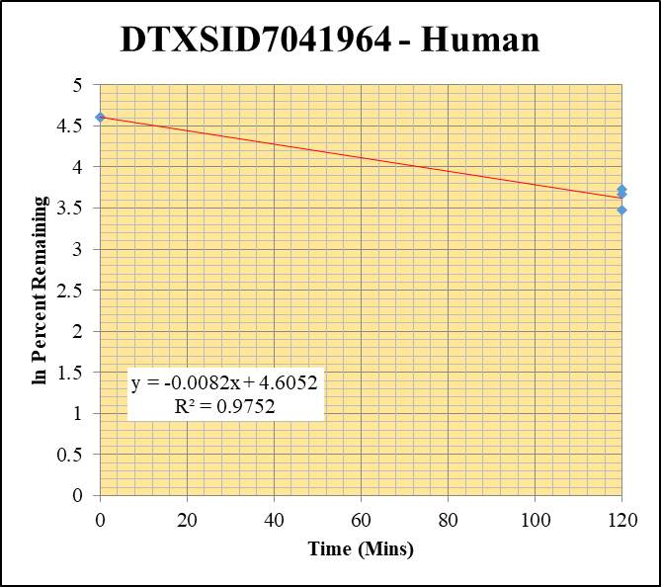
Blank_Human___1_____5P1_Inj 2020Aug14_EPA_003 | DTXSID7041964 | 293.1 / 265.0 | 362.9 | 1782000 | 0.0002036 |  |  |  | DTXSID7041964 - Human | Time (Mins) | % Remaining Replica 1 | % Remaining Replica 2 | % Remaining Replica 3 | Average
Blank_Human___2_____5P1_Inj 2020Aug14_EPA_004 | DTXSID7041964 | 293.1 / 265.0 | 327.1 | 1767000 | 0.000185 |  |  |  | Time (Mins) | 120 | 32.2% | 39.3% | 41.7% | 37.7%
Blank_Human___3_____5P1_Inj 2020Aug14_EPA_005 | DTXSID7041964 | 293.1 / 265.0 | 393.3 | 1796000 | 0.000219 |  |  |  | ln Percent Remaining | 0 | 100% | 100% | 100% | 100%
DTXSID7041964__Human__120_1_____XP1_Inj 090 | DTXSID7041964 | 293.1 / 265.0 | 47730 | 1876000 | 0.02544 | 32.208119711 | 120 | 3.4722185857
DTXSID7041964__Human__120_2_____XP1_Inj 091 | DTXSID7041964 | 293.1 / 265.0 | 43380 | 1924000 | 0.02255 | 39.290545055 | 120 | 3.6709839061 |  | Slope | -0.00817
DTXSID7041964__Human__120_3_____XP1_Inj 092 | DTXSID7041964 | 293.1 / 265.0 | 40190 | 1896000 | 0.0212 | 41.705110618 | 120 | 3.7306236781 |  | Intercept | 4.61
DTXSID7041964__Human__0_1_____5P6_Inj 2020Aug14_EPA_210 | DTXSID7041964 | 293.1 / 265.0 | 122400 | 1558000 | 0.07856 | 100 | 0 | 4.605170186 |  | R2 | 0.975
DTXSID7041964__Human__0_2_____5P6_Inj 2020Aug14_EPA_211 | DTXSID7041964 | 293.1 / 265.0 | 69280 | 1214000 | 0.05708 | 100 | 0 | 4.605170186 |  | T½ (mins) | 84.8
DTXSID7041964__Human__0_3_____5P6_Inj 2020Aug14_EPA_212 | DTXSID7041964 | 293.1 / 265.0 | 51250 | 1014000 | 0.05055 | 100 | 0 | 4.605170186 |  | CLint (µl/min/106 cells) | 16.3
 |  |  |  |  |  |  |  |  |  | Comments

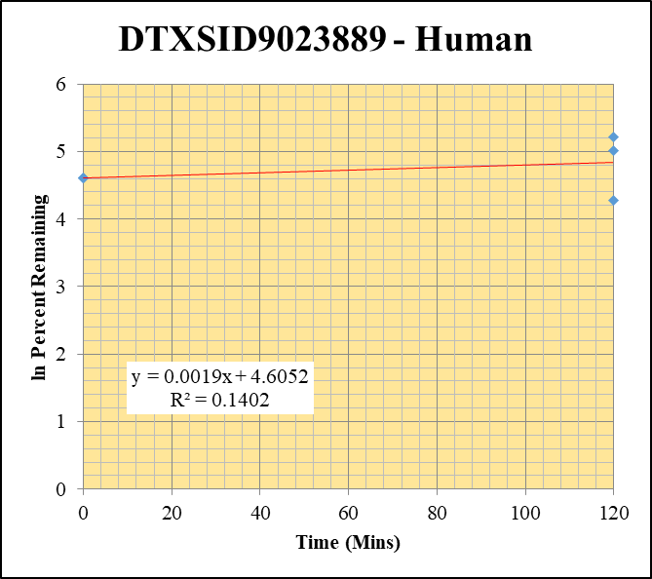
Blank_Human___1_____5P1_Inj 2020Aug14_EPA_003 | DTXSID9023889 | 373.0 / 300.0 | 0 | 1782000 | 0 |  |  |  | DTXSID9023889 - Human | Time (Mins) | % Remaining Replica 1 | % Remaining Replica 2 | % Remaining Replica 3 | Average
Blank_Human___2_____5P1_Inj 2020Aug14_EPA_004 | DTXSID9023889 | 373.0 / 300.0 | 124.3 | 1767000 | 0.00007031 |  |  |  | Time (Mins) | 120 | 149% | 72.3% | 184% | 135%
Blank_Human___3_____5P1_Inj 2020Aug14_EPA_005 | DTXSID9023889 | 373.0 / 300.0 | 24.37 | 1796000 | 0.00001357 |  |  |  | ln Percent Remaining | 0 | 100% | 100% | 100% | 100%
DTXSID9023889__Human__120_1_____XP1_Inj 048 | DTXSID9023889 | 373.0 / 300.0 | 3676 | 1960000 | 0.001875 | 149.43205721 | 120 | 5.0068418227
DTXSID9023889__Human__120_2_____XP1_Inj 049 | DTXSID9023889 | 373.0 / 300.0 | 1585 | 1887000 | 0.0008397 | 72.280595526 | 120 | 4.2805557048 |  | Slope | 0.00190
DTXSID9023889__Human__120_3_____XP1_Inj 050 | DTXSID9023889 | 373.0 / 300.0 | 2336 | 1817000 | 0.001286 | 183.6983821 | 120 | 5.2132951849 |  | Intercept | 4.61
DTXSID9023889__Human__0_1_____5P6_Inj 2020Aug14_EPA_114 | DTXSID9023889 | 373.0 / 300.0 | 2054 | 1625000 | 0.001264 | 100 | 0 | 4.605170186 |  | R2 | 0.140
DTXSID9023889__Human__0_2_____5P6_Inj 2020Aug14_EPA_115 | DTXSID9023889 | 373.0 / 300.0 | 1218 | 1058000 | 0.001151 | 100 | 0 | 4.605170186 |  | T½ (mins) | >480
DTXSID9023889__Human__0_3_____5P6_Inj 2020Aug14_EPA_116 | DTXSID9023889 | 373.0 / 300.0 | 705.2 | 989400 | 0.0007128 | 100 | 0 | 4.605170186 |  | CLint (µl/min/106 cells) | 0.0
 |  |  |  |  |  |  |  |  |  | Comments

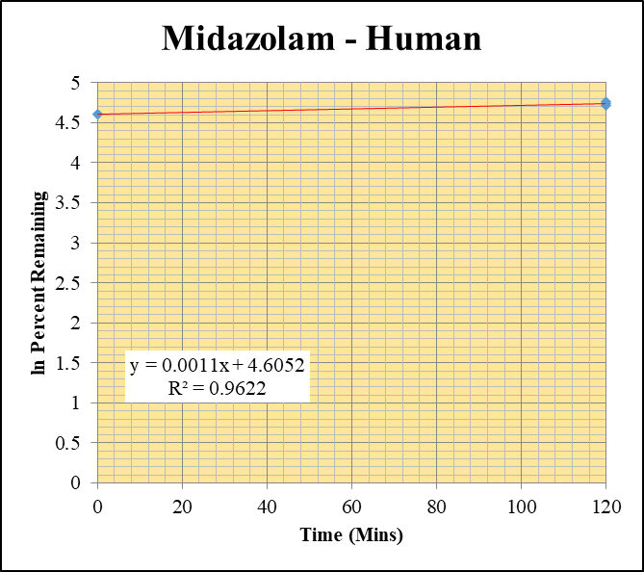
Blank_Human___1_____5P1_Inj 2020Aug14_EPA_003 | Midazolam | 326.2 / 291.0 | 174 | 1782000 | 0.00009761 |  |  |  | Midazolam - Human | Time (Mins) | % Remaining Replica 1 | % Remaining Replica 2 | % Remaining Replica 3 | Average
Blank_Human___2_____5P1_Inj 2020Aug14_EPA_004 | Midazolam | 326.2 / 291.0 | 39.9 | 1767000 | 0.00002257 |  |  |  | Time (Mins) | 120 | 112% | 117% | 115% | 115%
Blank_Human___3_____5P1_Inj 2020Aug14_EPA_005 | Midazolam | 326.2 / 291.0 | 323.1 | 1796000 | 0.0001799 |  |  |  | ln Percent Remaining | 0 | 100% | 100% | 100% | 100%
Midazolam__Human__120_1_____XP1_Inj 006 | Midazolam | 326.2 / 291.0 | 13470000 | 2592000 | 5.197 | 111.69163324 | 120 | 4.7157417994
Midazolam__Human__120_2_____XP1_Inj 007 | Midazolam | 326.2 / 291.0 | 13130000 | 2694000 | 4.875 | 116.96297907 | 120 | 4.7618574665 |  | Slope | 0.00113
Midazolam__Human__120_3_____XP1_Inj 008 | Midazolam | 326.2 / 291.0 | 14180000 | 2990000 | 4.742 | 114.8465694 | 120 | 4.7435970584 |  | Intercept | 4.61
Midazolam__Human__0_1_____5P6_Inj 2020Aug14_EPA_018 | Midazolam | 326.2 / 291.0 | 5464000 | 1174000 | 4.653 | 100 | 0 | 4.605170186 |  | R2 | 0.962
Midazolam__Human__0_2_____5P6_Inj 2020Aug14_EPA_019 | Midazolam | 326.2 / 291.0 | 4499000 | 1079000 | 4.168 | 100 | 0 | 4.605170186 |  | T½ (mins) | >480
Midazolam__Human__0_3_____5P6_Inj 2020Aug14_EPA_020 | Midazolam | 326.2 / 291.0 | 4629000 | 1121000 | 4.129 | 100 | 0 | 4.605170186 |  | CLint (µl/min/106 cells) | 0.0
 |  |  |  |  |  |  |  |  |  | Comments | Control

10uM Data - Inactive

SampleName | CompoundName | Transition | Area | ISTD Area | ISTDResponseRatio | % Remaining | Time (mins) | ln % Remaining | Chart | Table
Blank_Human___1_____XP1_Inj 003 | DTXSID3020625 | 373.2 / 317.2 | 80.78 | 1635000 | 0.00004941 |  |  |  | DTXSID3020625 - Human | Time (Mins) | % Remaining Replica 1 | % Remaining Replica 2 | % Remaining Replica 3 | Average
Blank_Human___2_____XP1_Inj 004 | DTXSID3020625 | 373.2 / 317.2 | 96.26 | 1651000 | 0.0000583 |  |  |  | Time (Mins) | 120 | 88.7% | 75.0% | 83.9% | 82.5%
Blank_Human___3_____XP1_Inj 005 | DTXSID3020625 | 373.2 / 317.2 | 47.35 | 1611000 | 0.00002939 |  |  |  | ln Percent Remaining | 0 | 100% | 100% | 100% | 100%
DTXSID3020625__Human__120_1_____XP1_Inj 111 | DTXSID3020625 | 373.2 / 317.2 | 41950000 | 1970000 | 21.3 | 88.713014752 | 120 | 4.4854066063
DTXSID3020625__Human__120_2_____XP1_Inj 112 | DTXSID3020625 | 373.2 / 317.2 | 41470000 | 2087000 | 19.88 | 75.018824844 | 120 | 4.31773908 |  | Slope | -0.00162
DTXSID3020625__Human__120_3_____XP1_Inj 113 | DTXSID3020625 | 373.2 / 317.2 | 48150000 | 2327000 | 20.69 | 83.901024504 | 120 | 4.4296378244 |  | Intercept | 4.61
DTXSID3020625__Human__0_1_____5P6_Inj 2020Aug14_EPA_258 | DTXSID3020625 | 373.2 / 317.2 | 41950000 | 1747000 | 24.01 | 100 | 0 | 4.605170186 |  | R2 | 0.795
DTXSID3020625__Human__0_2_____5P6_Inj 2020Aug14_EPA_259 | DTXSID3020625 | 373.2 / 317.2 | 51940000 | 1960000 | 26.5 | 100 | 0 | 4.605170186 |  | T½ (mins) | 428
DTXSID3020625__Human__0_3_____5P6_Inj 2020Aug14_EPA_260 | DTXSID3020625 | 373.2 / 317.2 | 44110000 | 1789000 | 24.66 | 100 | 0 | 4.605170186 |  | CLint (µl/min/106 cells) | 3.24
 |  |  |  |  |  |  |  |  |  | Comments


Blank_Human___1_____XP1_Inj 003 | DTXSID3025881 | 109.1 / 91.9 | 222.5 | 1635000 | 0.0001361 |  |  |  | DTXSID3025881 - Human | Time (Mins) | % Remaining Replica 1 | % Remaining Replica 2 | % Remaining Replica 3 | Average
Blank_Human___2_____XP1_Inj 004 | DTXSID3025881 | 109.1 / 91.9 | 1121 | 1651000 | 0.0006789 |  |  |  | Time (Mins) | 120 | 89.5% | 85.5% | 75.0% | 83.4%
Blank_Human___3_____XP1_Inj 005 | DTXSID3025881 | 109.1 / 91.9 | 3458 | 1611000 | 0.002146 |  |  |  | ln Percent Remaining | 0 | 100% | 100% | 100% | 100%
DTXSID3025881__Human__120_1_____XP1_Inj 209 | DTXSID3025881 | 109.1 / 91.9 | 489200 | 1912000 | 0.2558 | 89.529642005 | 120 | 4.494569766
DTXSID3025881__Human__120_2_____XP1_Inj 210 | DTXSID3025881 | 109.1 / 91.9 | 456300 | 1835000 | 0.2487 | 85.502894244 | 120 | 4.4485502262 |  | Slope | -0.00154
DTXSID3025881__Human__120_3_____XP1_Inj 211 | DTXSID3025881 | 109.1 / 91.9 | 495500 | 2089000 | 0.2371 | 75.024863924 | 120 | 4.3178195776 |  | Intercept | 4.61
DTXSID3025881__Human__0_1_____5P6_Inj 2020Aug14_EPA_482 | DTXSID3025881 | 109.1 / 91.9 | 378300 | 1325000 | 0.2856 | 100 | 0 | 4.605170186 |  | R2 | 0.753
DTXSID3025881__Human__0_2_____5P6_Inj 2020Aug14_EPA_483 | DTXSID3025881 | 109.1 / 91.9 | 373000 | 1283000 | 0.2907 | 100 | 0 | 4.605170186 |  | T½ (mins) | 450
DTXSID3025881__Human__0_3_____5P6_Inj 2020Aug14_EPA_484 | DTXSID3025881 | 109.1 / 91.9 | 465300 | 1474000 | 0.3157 | 100 | 0 | 4.605170186 |  | CLint (µl/min/106 cells) | 3.08
 |  |  |  |  |  |  |  |  |  | Comments

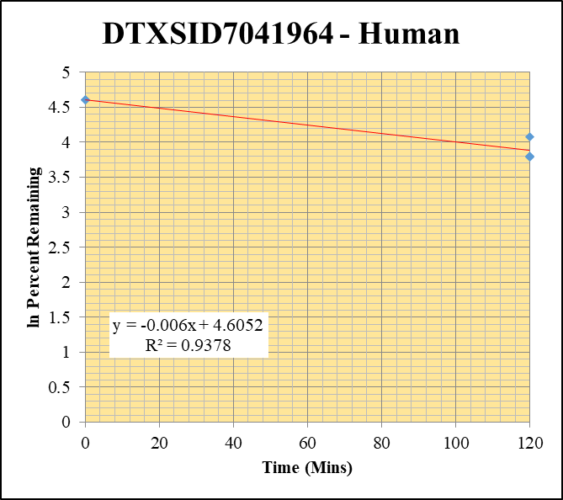
Blank_Human___1_____XP1_Inj 003 | DTXSID7041964 | 293.1 / 265.0 | 278.2 | 1635000 | 0.0001701 |  |  |  | DTXSID7041964 - Human | Time (Mins) | % Remaining Replica 1 | % Remaining Replica 2 | % Remaining Replica 3 | Average
Blank_Human___2_____XP1_Inj 004 | DTXSID7041964 | 293.1 / 265.0 | 325 | 1651000 | 0.0001968 |  |  |  | Time (Mins) | 120 | 44.4% | 58.8% | 44.7% | 49.3%
Blank_Human___3_____XP1_Inj 005 | DTXSID7041964 | 293.1 / 265.0 | 423 | 1611000 | 0.0002625 |  |  |  | ln Percent Remaining | 0 | 100% | 100% | 100% | 100%
DTXSID7041964__Human__120_1_____XP1_Inj 097 | DTXSID7041964 | 293.1 / 265.0 | 415300 | 1851000 | 0.2244 | 44.403753529 | 120 | 3.7933240048
DTXSID7041964__Human__120_2_____XP1_Inj 098 | DTXSID7041964 | 293.1 / 265.0 | 419300 | 1739000 | 0.2412 | 58.765169224 | 120 | 4.0735493192 |  | Slope | -0.00597
DTXSID7041964__Human__120_3_____XP1_Inj 099 | DTXSID7041964 | 293.1 / 265.0 | 395000 | 1740000 | 0.2269 | 44.721756309 | 120 | 3.8004601015 |  | Intercept | 4.61
DTXSID7041964__Human__0_1_____5P6_Inj 2020Aug14_EPA_226 | DTXSID7041964 | 293.1 / 265.0 | 536800 | 1063000 | 0.5051 | 100 | 0 | 4.605170186 |  | R2 | 0.938
DTXSID7041964__Human__0_2_____5P6_Inj 2020Aug14_EPA_227 | DTXSID7041964 | 293.1 / 265.0 | 403200 | 982700 | 0.4103 | 100 | 0 | 4.605170186 |  | T½ (mins) | 116
DTXSID7041964__Human__0_3_____5P6_Inj 2020Aug14_EPA_228 | DTXSID7041964 | 293.1 / 265.0 | 559100 | 1103000 | 0.5071 | 100 | 0 | 4.605170186 |  | CLint (µl/min/106 cells) | 11.9
 |  |  |  |  |  |  |  |  |  | Comments

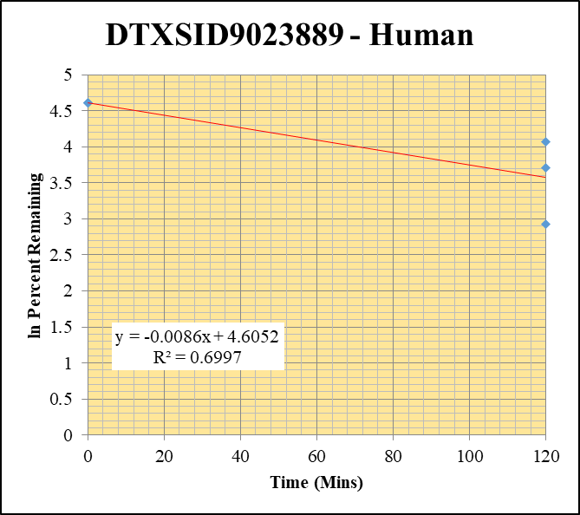
Blank_Human___1_____XP1_Inj 003 | DTXSID9023889 | 373.0 / 300.0 | 74.53 | 1635000 | 0.00004559 |  |  |  | DTXSID9023889 - Human | Time (Mins) | % Remaining Replica 1 | % Remaining Replica 2 | % Remaining Replica 3 | Average
Blank_Human___2_____XP1_Inj 004 | DTXSID9023889 | 373.0 / 300.0 | 68.2 | 1651000 | 0.00004131 |  |  |  | Time (Mins) | 120 | 58.7% | 41.0% | 18.6% | 39.4%
Blank_Human___3_____XP1_Inj 005 | DTXSID9023889 | 373.0 / 300.0 | 40.33 | 1611000 | 0.00002503 |  |  |  | ln Percent Remaining | 0 | 100% | 100% | 100% | 100%
DTXSID9023889__Human__120_1_____XP1_Inj 055 | DTXSID9023889 | 373.0 / 300.0 | 15360 | 1805000 | 0.008508 | 58.690999391 | 120 | 4.0722863827
DTXSID9023889__Human__120_2_____XP1_Inj 056 | DTXSID9023889 | 373.0 / 300.0 | 15390 | 1763000 | 0.008729 | 40.993336223 | 120 | 3.7134095223 |  | Slope | -0.00863
DTXSID9023889__Human__120_3_____XP1_Inj 057 | DTXSID9023889 | 373.0 / 300.0 | 14030 | 1819000 | 0.00771 | 18.617299672 | 120 | 2.9240912383 |  | Intercept | 4.61
DTXSID9023889__Human__0_1_____5P6_Inj 2020Aug14_EPA_130 | DTXSID9023889 | 373.0 / 300.0 | 15260 | 1055000 | 0.01447 | 100 | 0 | 4.605170186 |  | R2 | 0.700
DTXSID9023889__Human__0_2_____5P6_Inj 2020Aug14_EPA_131 | DTXSID9023889 | 373.0 / 300.0 | 25210 | 1187000 | 0.02124 | 100 | 0 | 4.605170186 |  | T½ (mins) | 80.3
DTXSID9023889__Human__0_3_____5P6_Inj 2020Aug14_EPA_132 | DTXSID9023889 | 373.0 / 300.0 | 43500 | 1055000 | 0.04125 | 100 | 0 | 4.605170186 |  | CLint (µl/min/106 cells) | 17.3
 |  |  |  |  |  |  |  |  |  | Comments

